1. Title Page
[Project Name]

Project Name: Instacart Grocery Basket Analysis
Date: 21/02/2022
Analyst Name: Victor Mbogu

Contents:
Population Flow
Consistency checks
Wrangling steps
Column derivations
Visualizations
Recommendations

Objective

You’re an analyst for an existing company, Instacart, an online grocery store that operates
through an app. Instacart already has very good sales, but they want to uncover more
information about their sales patterns. Your task is to perform an initial data and exploratory
analysis of some of their data in order to derive insights and suggest strategies for better
segmentation based on the provided criteria.

Data Citation

The Instacart Online Grocery Shopping Dataset 2017, Accessed from https://www.instacart.com/datasets/grocery-shopping-2017 on [date].

Note
Do note that the customer data all customer informations, as well as the “prices” column in the products data set, were all fabricated for the purpose of this course.

2. Population Flow
Title page

Population flow

Exclusion flag
Condition: max_order < 5
Obervations to be removed: 711289
Final total count of order_products_all: 3261267

Orders_products_combined
Orders_products_merged
Orders_products_all

Total: 32,640,698
Total: 32,434,489
Total: 32,641,268

1.) The grey boxes in the first row of the population flow represent the original data sets as they were when you downloaded them. In the Total fields you need to add the count of the rows when you imported the data set into Jupyter.
2.) The second row of boxes (coloured) represents the data sets after you manipulated them, e.g., removed missing values and duplicates. In the Total fields you need to add the count of the rows after conducting these operations. This offers a visual oveview of how the data flows throughout the data consistency checks.
3.) The third row, where also the arrows are coloured, represents the merges you performed between the datasets. In the Total fields you need to add the count of the rows in the merged datasets, so that you end up with the final dataset (in the red box). Keep in mind the final dataset should be without exclusions (based on the exclusion flag).

3. Consistency checks
 |  |  |  | Title page
Consistency checks

Dataset | Missing values | Missing values treatment | Duplicates
orders | 206,209 [days_since_prior_order] | create a variable called first order known as a boolean. These variables could probably be customers not accounted for or prvious order. | no duplicate found
products | 16 missing values [product_name] | removing missing values by creating subset with it | 5 duplicated found
orders_products_prior | NAN |  | NAN
customers | NAN |  | NAN

4. Wrangling steps
 |  |  |  | Title page
Wrangling steps

Columns dropped | Columns renamed | Columns' type changed | Comment/Reason
eval_set | order_dow to orders_day_of_week | prices | Eval_set not needed for this analysis
First name |  | user_id | Personally identifiable information need to be dropped as part of data security
_merge |  | spending_flag,Busiest_days | merge column wasn't needed anymore so I can merge current data
reordered |  | order_numbe | reordeed not necessary so I had to remove to save memory
Unnamed: 0 |  | loyalty_flag' | Unnamed not needed for this analysis
 | First Name':'first_name' | department_id
 | Surnam':'surname' | order_hour_of_day
 | Gender':'gender' | orders_day_of_week | most columns type was change to reduce memory
 | STATE':'state' | frequency
 | Age':'age' | fam_status
 |  | order_id
 |  | product_name
 |  | n_dependants

5. Column derivations
 |  |  |  | Title page

Column derivations and aggregations

Dataset | New column | Column/s it was derived from | Conditions
df_ords_prods_merge | spending_flag | spending | High Spender, Low Spender based on customer spending greater and lesser than 10
 | Busiest_days | orders_day_of_week | Busiest day, Slowest days, and Regularly busy based on orders_day_of_week
 | busiest_period_of_day | order_hour_of_day | Most orders, Average orders, Fewest orders based on order_hour_of_day
 | price_range_loc | prices | High-range product, Mid-range product, Low-range product based prices
 | loyalty_flag | max_order | Loyal customer, Regular customer, New customer based max_order
df_ords_prods_custs_merge | exclusion_flag | max_order | Low-activity flag for customers with less than 5 orders
 | parental_status | n_dependants | Parental status based on number of dependents
 | income_group | income | profiling variable based on income
 | age_group | age | profiling variable based on age group of the customers
 | region | state | Create a regional segmentation of the data
 | customer_profile | age and income | Creating customer profile based on young single and adult
 | Top_5_department | department_id | Knowing the top products demanded by customer
 | department names | department_id | departmenatl name based on department Id

6. Visualizations
 |  |  |  |  |  |  |  |  |  |  |  | Title page

Visualisations

 |  |  |  |  |  |  |  | ANSWER 1

KEY QUESTION - The sales team needs to know what the busiest days of the week and hours of the day
are (i.e., the days and times with the most orders) in order to schedule ads at times
when there are fewer orders

Solution - | The bar chart shows the weeks days and most orders are on Saturday. The histogram distribution on the right side is skewed to the right which indicates that most orders are from 8am to 6pm

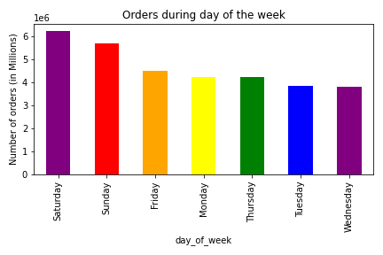
 |  |  |  | Orders by day of the week |  |  |  |  |  |  | Order hour of the day
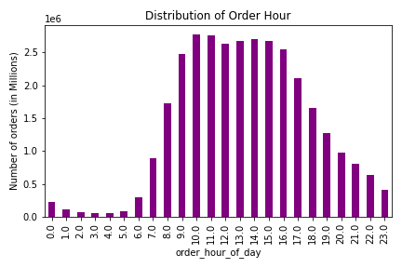

 |  |  |  |  |  |  |  | ANSWER 2

KEY QUESTION - They also want to know whether there are particular times of the day when people spend the most money, as this might inform the type of products they advertise at these times.

Solution - | The bar chart below shows that customers tend to spend more money during afternoon and least amount being spent is in the evening.
 | This also correspond to their income.

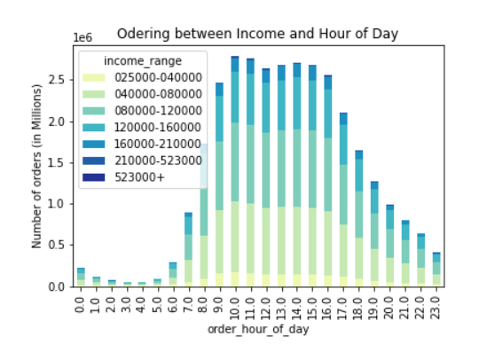

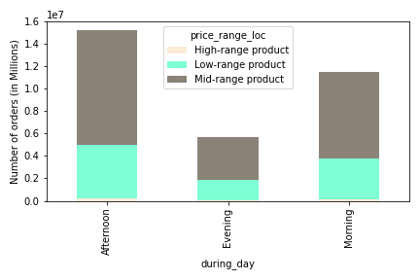
 |  |  |  |  |  |  |  |  | Product sold through out the day

 |  |  |  |  |  |  | ANSWER 3

KEY QUESTION - Instacart has a lot of products with different price tags. Marketing and sales want to use
simpler price range groupings to help direct their efforts.

Solution - | The pie charts shows the percentage order of product from mid-range ( $10 to $15) which has 67.46%, this indicate prices within the bracket are mostly ordered by customers, while product from low-range lesser than $5 are 1.29%. The bar chart on the right also shows that products ordered by customers are between $5 and $15 which is the mid-range product.

 |  |  |  | Order by Price range in Percent |  |  |  |  |  |  |  | Distribution of prices

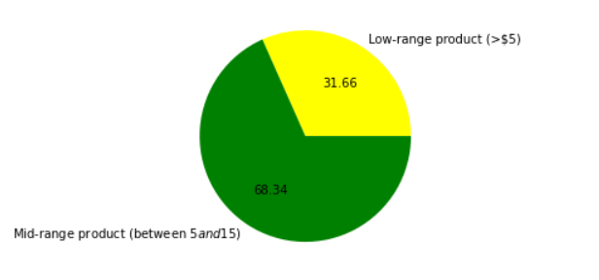
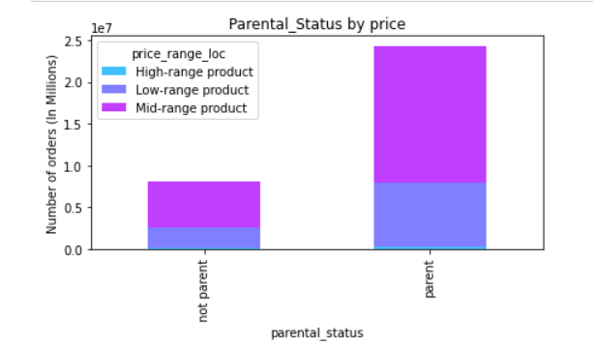

 |  |  |  |  |  |  | ANSWER 4

KEY QUESTION
Are there certain types of products that are more popular than others? The marketing
and sales teams want to know which departments have the highest frequency of product
orders.

Solution - |  |  | The bar chart shows the various products in the departments and it also shows the procuct department has the higest sales.

 |  | Legend |  |  |  | Department by name

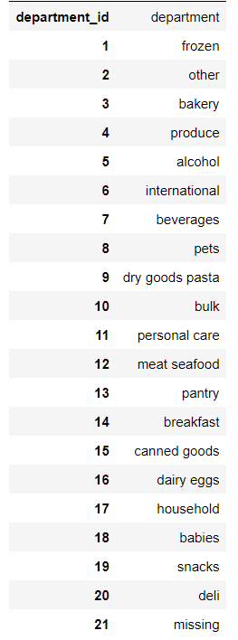
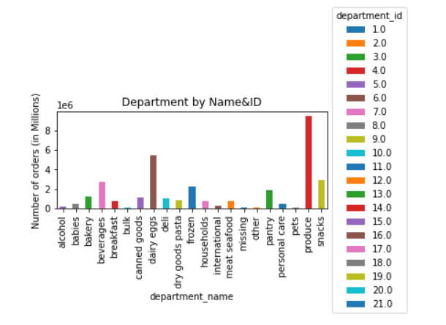

 |  |  |  |  |  |  | ANSWER 5

KEY QUESTION |  |  |  |  |  | Order by customer loyality
The marketing and sales teams are particularly interested in the different types of customers in their system and how their ordering behaviors differ. For example: ● What’s the distribution among users in regards to their brand loyalty (i.e., how often do they return to Instacart)? ● Are there differences in ordering habits based on a customer’s loyalty status? ● Are there differences in ordering habits based on a customer’s region? ● Is there a connection between age and family status in terms of ordering habits? |  |  |  | 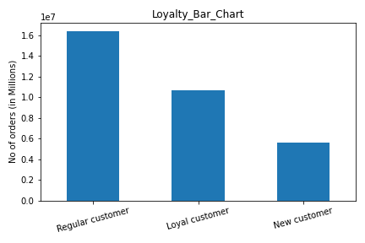
● What’s the distribution among users in regards to their brand loyalty (i.e., how |  |  |  |  | Regular |  |  | New |  | Loyal
often do they return to Instacart)? |  |  | Solution - | The bar chart above shows the loyalty distribution and regular customer has the highest purchase more product.

● Are there differences in ordering habits based on a customer’s loyalty status?

 | Difference in Ordering Habits |  |  |  |  | Categorise constumer by age loyalty
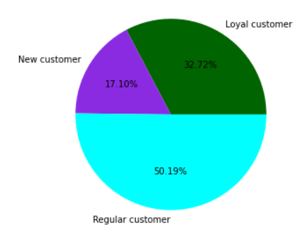
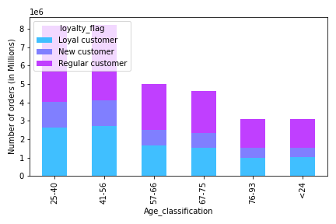

● Are there differences in ordering habits based on a customer’s region?

Solution - | Looking at the bar chart below you can see that the region with most customer is the South region, follow by the West region and also their spending difference shows south and west have similar spending

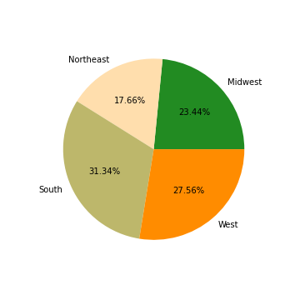

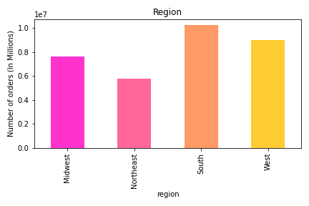
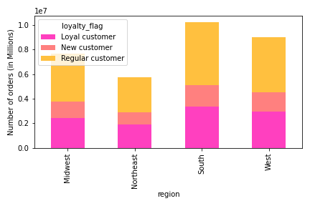
 |  |  |  |  |  | loyalty by region |  |  |  |  |  |  | region in percentage

 | Frequency by region |  |  |  |  |  | Orders below 5 dollar
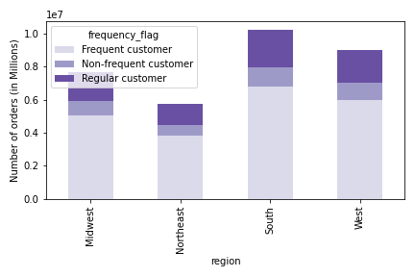
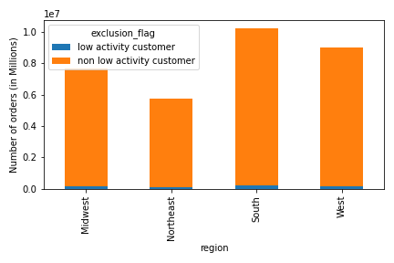
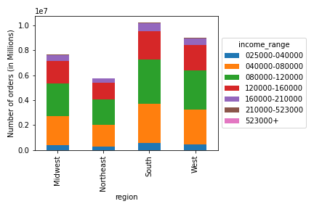

● Is there a connection between age and family status in terms of ordering habits?

Solution - | The below bar chart shows the distribution of family status and age. Most of the customers are married while the line chart shows the average age of customers ordering product is 49.55 with an average number of dependants.

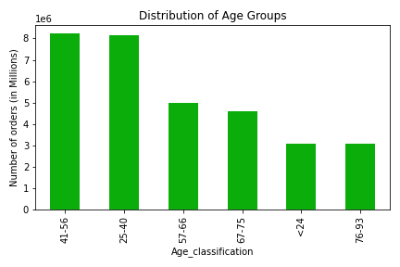
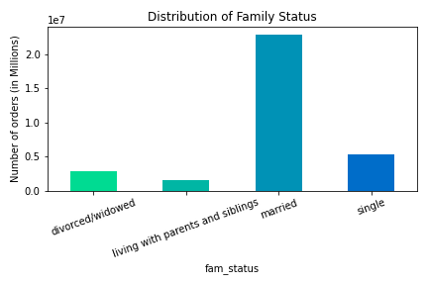
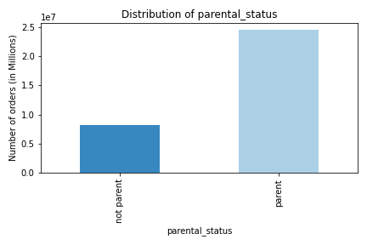

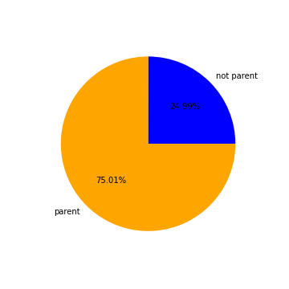
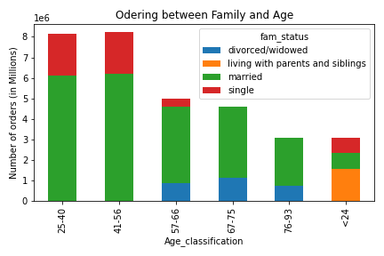
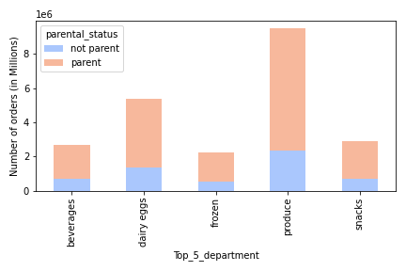
 | Ordering habbit between the top 5 Department |  |  |  |  | Parental status in percent

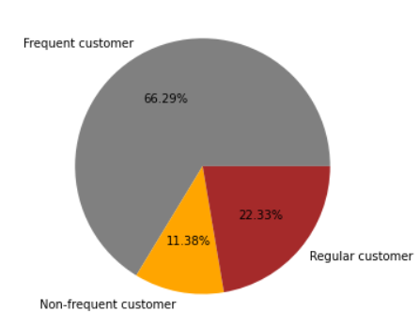
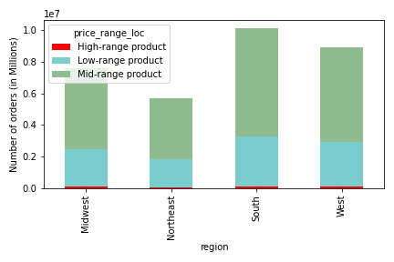
 |  |  |  | How Often Customer Visit
● What’s the distribution among users in regards to their brand loyalty (i.e., how often do they return to Instacart)?

● What different classifications does the demographic information suggest? Age? Income? Certain types of goods? Family status? ● What differences can you find in ordering habits of different customer profiles? Consider the price of orders, the frequency of orders, the products customers are ordering, and anything else you can think of. |  |  |  |  | Answer 6

 |  |  |  | Demographic breakdown of customers
 |  |  | Solution - | Customer profile | Young parent | Single adult
 |  |  |  | Age | less or equals30 | lesser or equals 30
 |  |  |  | Income | $400000 or less | $400000 or less

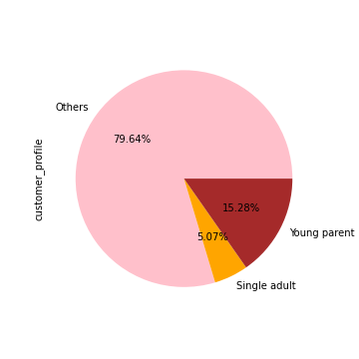
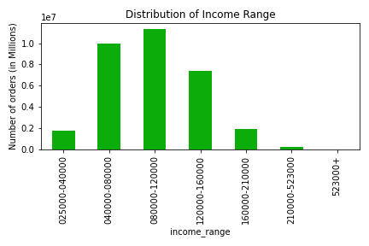
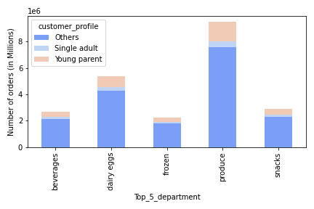
 |  |  |  |  | Customer Profile between Age <30, Top 5dept & Income

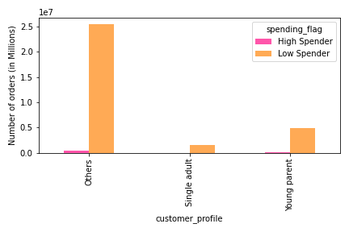
 | Family status and Top5 Department
 | 100% Stacked bar chart
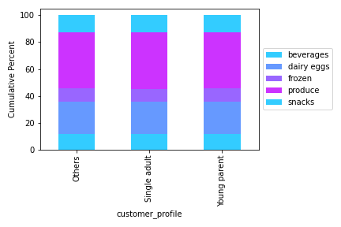

 |  |  |  |  |  | ANSWER 7

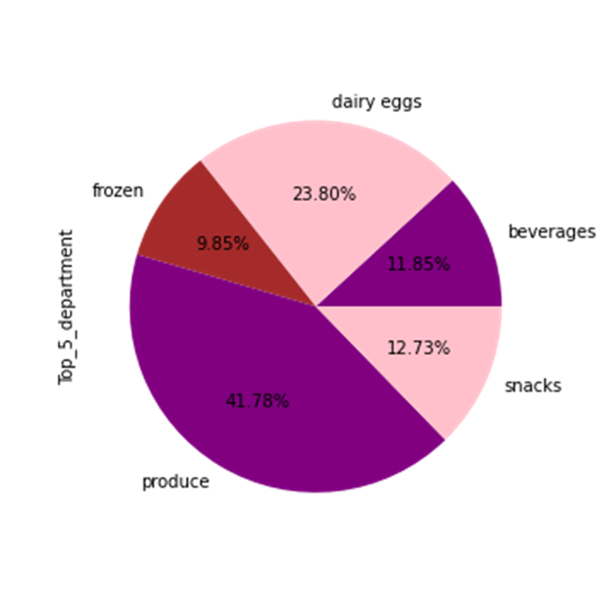
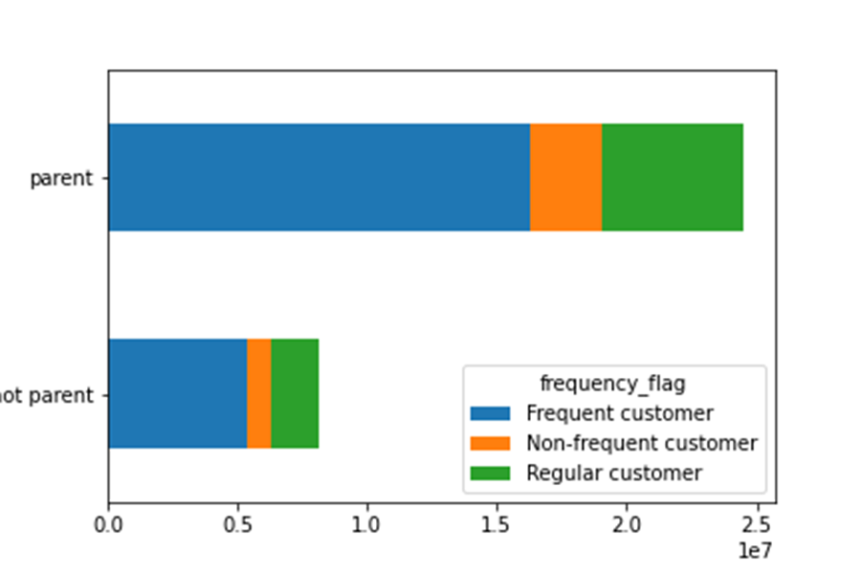
What differences can you find in ordering habits of different customer profiles? Consider the price of orders, the frequency of orders, the products customers are ordering, and anything else you can think of. |  |  | Top_5 products customers are ordering |  |  |  |  |  | frequent ordering by categorize customers

Solution -

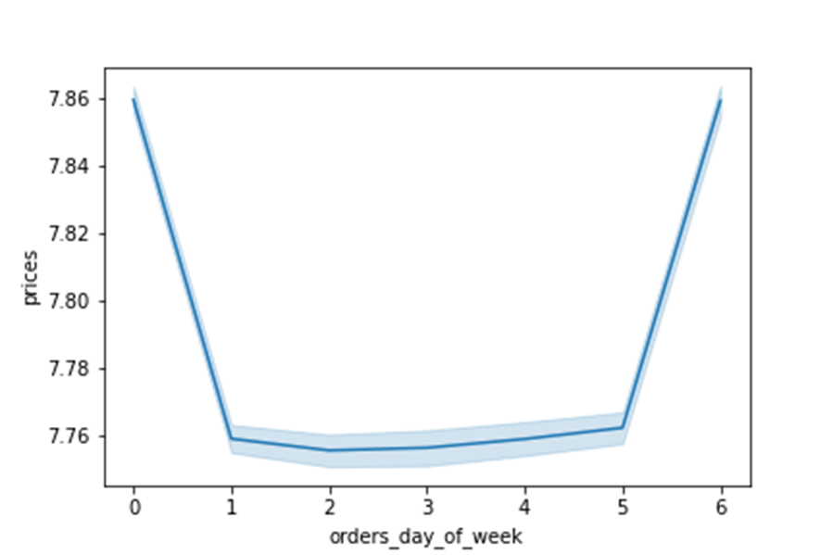

 |  |  |  |  |  | Ordering patterns by customer

7. Recommendations
 |  |  |  |  |  |  | Title page

Recommendations

Questions and Answers

Key Question 1 - what the busiest days of the week and hours of the day?
Key Question 2 - They also want to know whether there are particular times of the day when people spend the most money?
Key Question 3 - Marketing and sales want to use simpler price range groupings to help direct their efforts?
Key Question 4 - which departments have the highest frequency of product orders?
Key Question 5 - how often do they return to Instacart?
Key Question 6 - Is there a connection between age and family status in terms of ordering habits?
Key Question 7 - What differences can you find in ordering habits of different customer profiles?

 |  | Include results and recommendations for how Instacart may want to approach its marketing strategy based on your results,
 |  |  | as well as how your results addressed the questions posed in the project brief.

 |  |  |  |  | Recommendation

 |  |  |  | Question 1 - what the busiest days of the week and hours of the day

 |  |  | Saturday has the most orders followed by Sundays and Fridays, these days has more customers. Instacart could find a way to generate more
 |  |  | customers for days with low customers by creating awareness more about the products. Also the Instacart needs to look at the time frame to know
 |  |  | low demand of orders and find a way to boosts more customer with the low order.

 | Recommendation
Question 2 - They also want to know whether there are particular times of the day when people spend the most money.
Customers spend more money during afternoon and low sales are in the evening, these periods of day gives Instacart a clue on how to improve
or increase other sales during the hours from 5pm to 23 pm
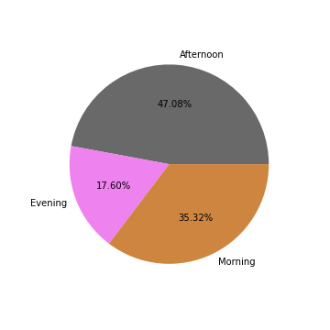

 | Recommendation

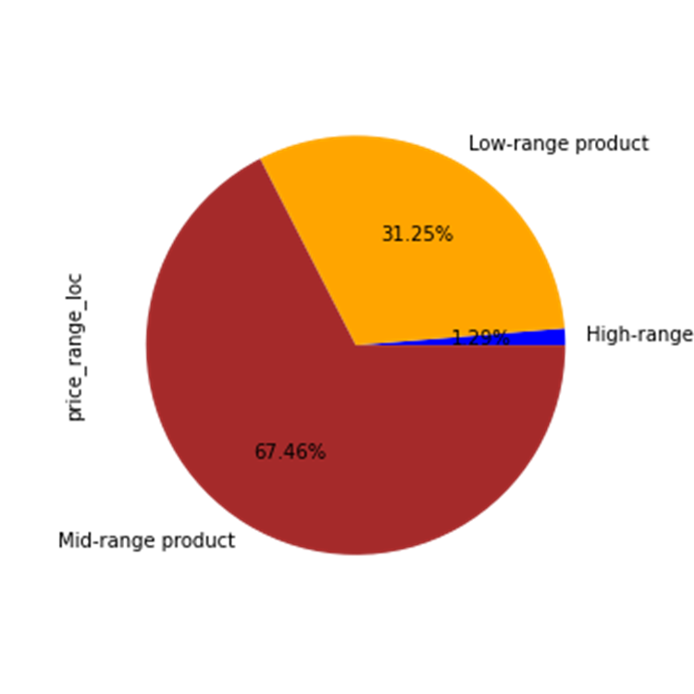
Question 3 - Marketing and sales want to use simpler price range groupings to help direct their efforts.
Ajustment need to be made regarding product with the high price, as we can see the high range has the least price in percentage
while the mid range has the highest percentage.

Recommendation
Question 4 - which departments have the highest frequency of product orders?
From the departments below we can clearly see that produce has the highest frequency in sales and generates more income among all departments.
This gives Instacart clue on how they can improve other deparments regarding to sales and price.

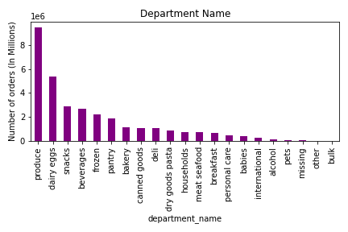

Recommendation

Question 5 - how often do they return to Instacart?
The parents uses more of instacat product, while the non parent are the least customers to use the instacart product.
66.29% frequently use Instacart products.

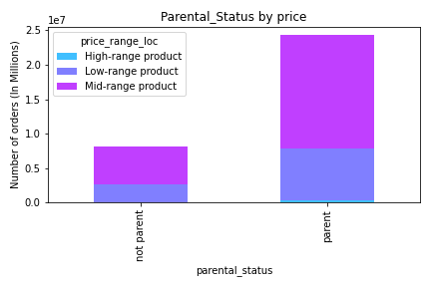

Recommendation
Question 6 - Is there a connection between age and family status in terms of ordering habits?
Married couples has more time for ordering, followed by the single customers.

Recommendation

Question 7 - What differences can you find in ordering habits of different customer profiles?
Below is the top department with the highest price and ordering in instacart, these are base on age group, income and regions. .
Instacart could make more incomes when they intends to improve the productivity of other departs to generate more revenues.

Customer Profile between Age <30, Top 5dept & Income <400,000 |  |  |  | Customers using most product from Top 5 department |  | Ordering habits between the Parental Status

